Sheet1
CLASSI BIO BLEACHED BAGASSE TABLEWARE
Sr.No. | Product Name | RANGE | Product Pic

1 | 6" PLAIN ROUND CLASSI BIO
2 | 6" PLAIN SQUARE CLASSI BIO | NATURAL
3 | 7" PLAIN PLAIN PLATE | STANDARD
3 | 7" PLAIN PLAIN PLATE | NATURAL
2 | 7" PLAIN CLASSI BIO | PREMIUM
3 | 7" PLAIN CLASSI BIO QSR
4 | 7" SQUARE SMART TRAY 1D LITE |  | 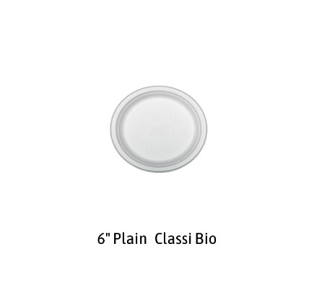
5 | 9" PLAIN PLATE | STANDARD | 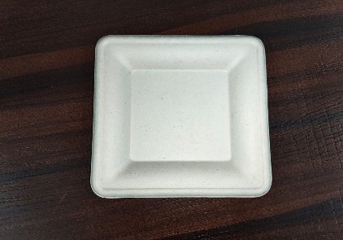
6 | 9" PLAIN CLASSI BIO | PREMIUM
7 | 9" 3CP CLASSI BIO |  | 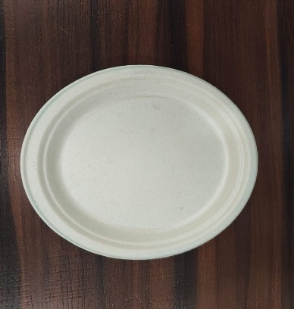
8 | 10" PLAIN PLATE | STANDARD | 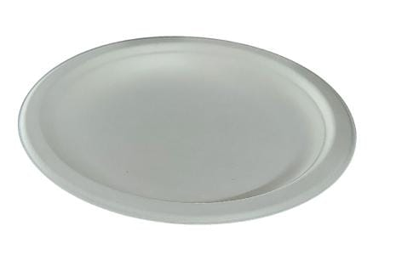
8 | 10" PLAIN CLASSI BIO | PREMIUM | 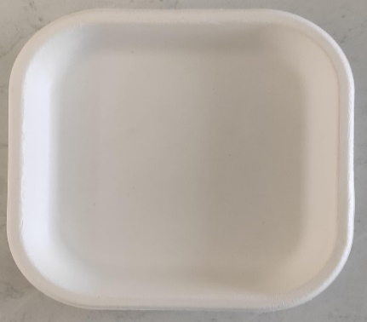
8 | 10" PLAIN CLASSI BIO | PREMIUM | 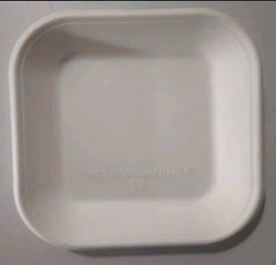
9 | 10" 3CP ROUND CLASSI BIO
10 | 10" 3CP SQUARE CLASSI BIO |  | 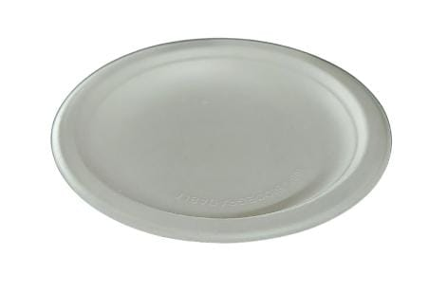
11 | SMART 10" 3CP SQUARE CLASSI BIO |  | 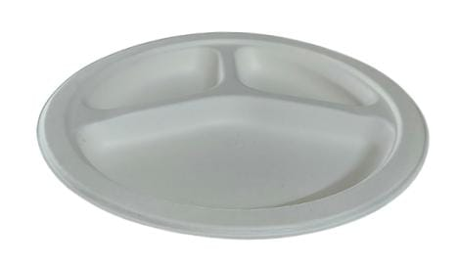
12 | 12" PLAIN CLASSI BIO
12 | 12" PLAIN SUPER PLAIN PLATE | STANDARD | 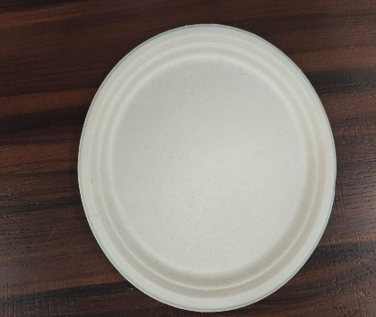
13 | 12" PLAIN SUPER CLASSI BIO | NATURAL | 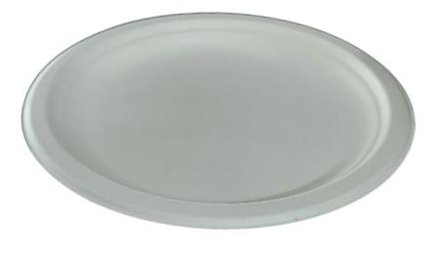
13 | 12" PLAIN SUPER CLASSI BIO | PREMIUM
13 | 12"4CP SUPER CLASSI BIO | NATURAL | 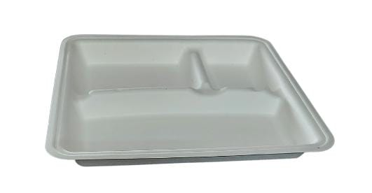
14 | 12"4CP SUPER CLASSI BIO |  | 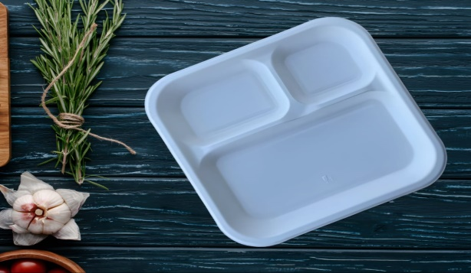
15 | 1 OZ DIP CUPS (SAUCE BATI- 30 ML)
16 | 55ML GLASS CLASSI BIO ( 2 Oz) |  | 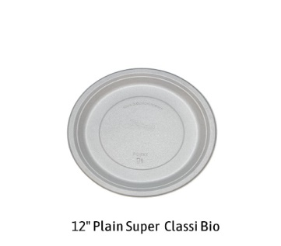
17 | 2 OZ DIP CUPS(60 ML)
18 | 1 OZ/2 OZ (63 dia ) BAGASSE LID CLASSI BIO
19 | 4 OZ (110 ML) CUP CLASSI BIO
20 | 4 OZ PAPER LID |  | 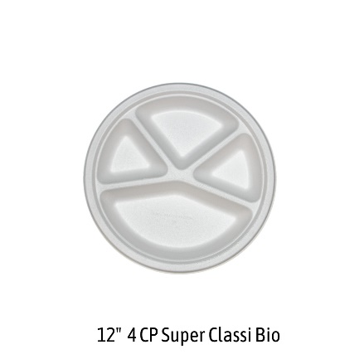
21 | 150 ML SQUARE BOWL CLASSI BIO |  | 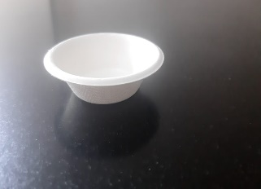
24 | 250 ML Bagasse Glass Classi Bio |  | 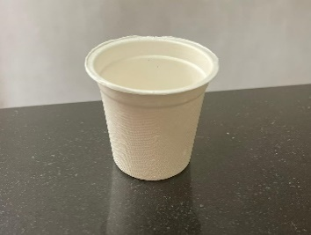
21 | 6 OZ BOWL | STANDARD | 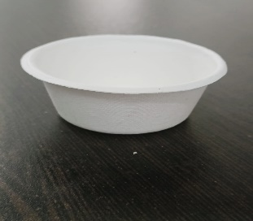
21 | 6 OZ BOWL CLASSI BIO |  | 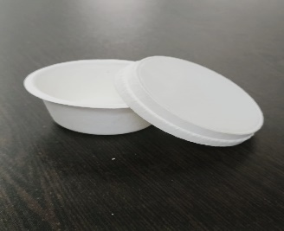
22 | 6OZ FLAT PET LID |  | 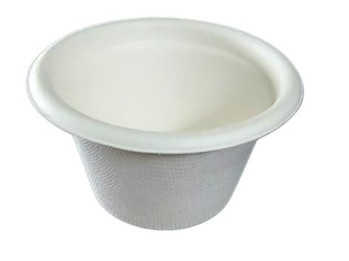
23 | 6OZ DOME PET LID |  | 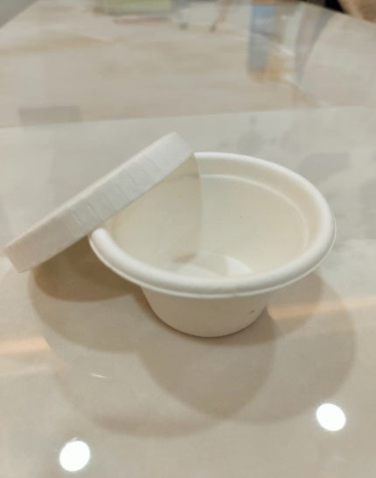
24 | 7 OZ BOWL CLASSI BIO |  | 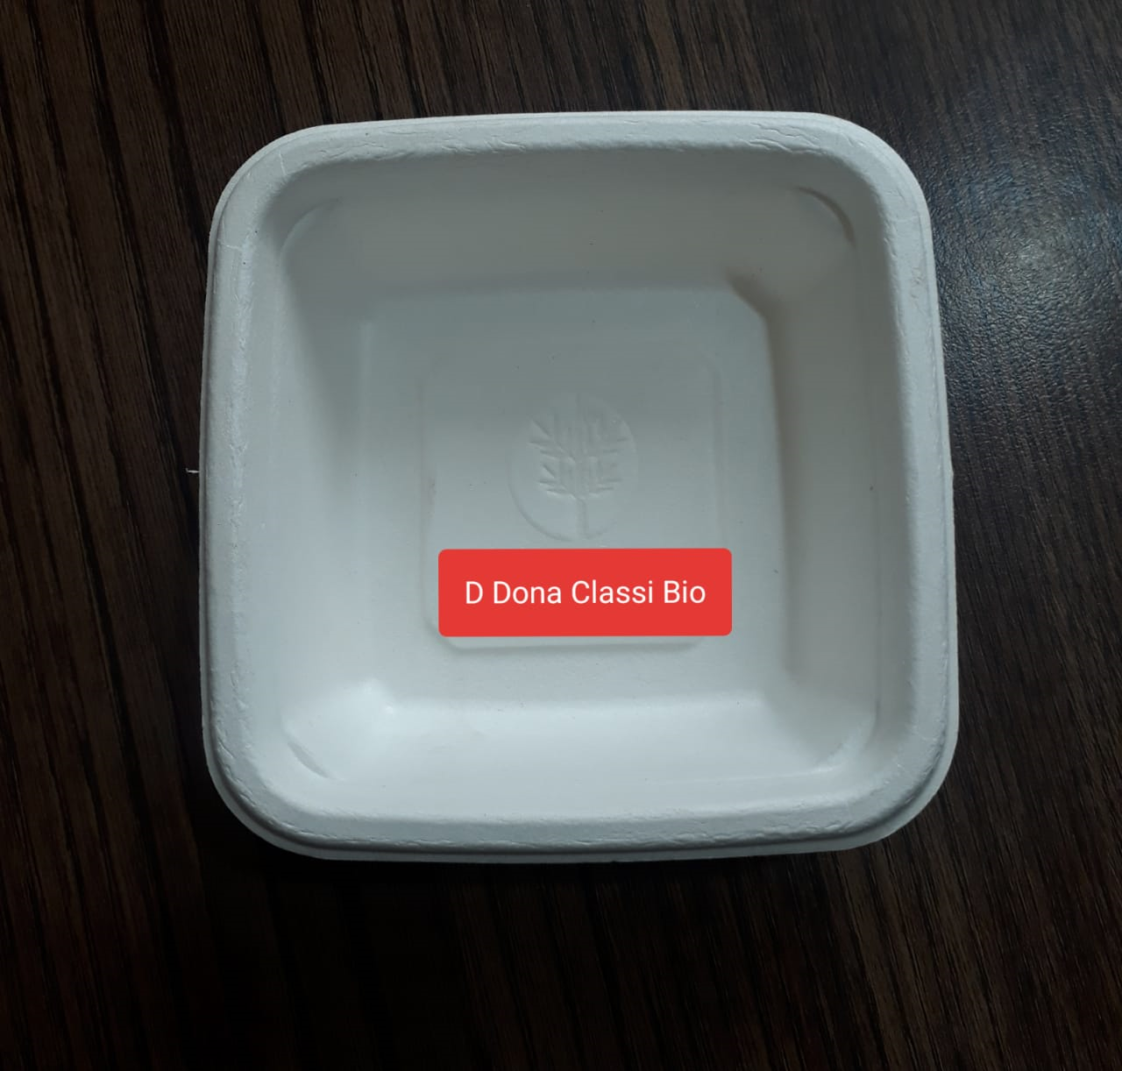
25 | 8 OZ BOWL CLASSI BIO |  | 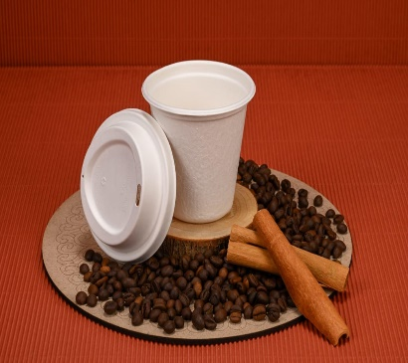
26 | 10 OZ SMART TRAY(300 ML)
27 | 12 OZ BOWL | 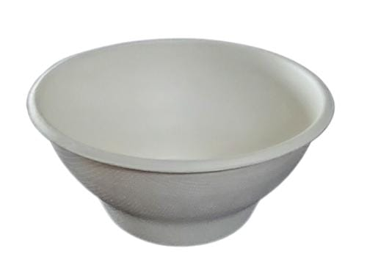 STANDARD
26 | 12 OZ BOWL CLASSI BIO ( 340 ML) | NATURAL | 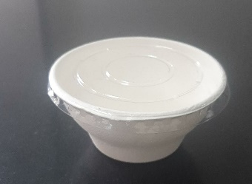
27 | 12 OZ BOWL CLASSI BIO
#REF! | 16 OZ BOWL CLASSI BIO |  | 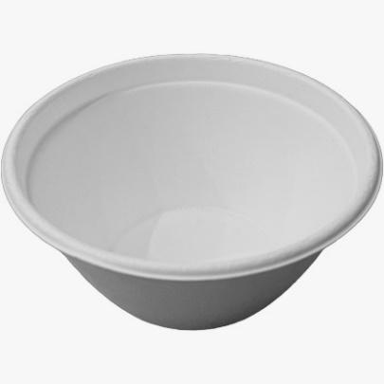
30 | 1D TRAY CLASSI BIO |  | 
31 | 2D TRAY CLASSI BIO |  | 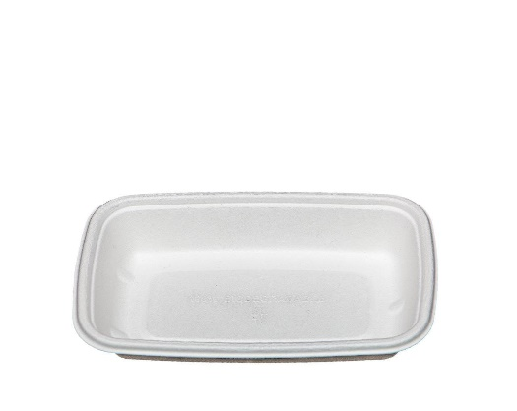
32 | 3D TRAY CLASSI BIO
32 | 4D TRAY CLASSI BIO
 | OVAL TRAY CLASSI BIO (230 ML) (1000) |  | 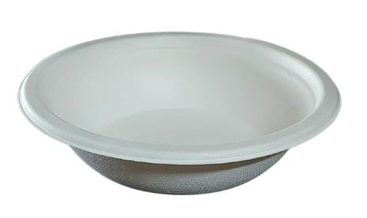
#REF! | RECTANGULAR BOWL 750 ML |  | 
#REF! | RECTANGULAR BOWL LID |  | 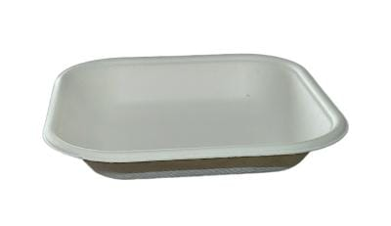
37 | 500 ML LEAKPROOF ROUND CONTAINER |  | 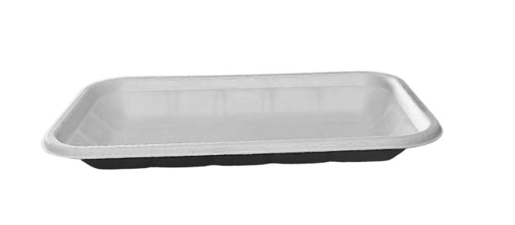
38 | 750 ML LEAKPROOF ROUND CONTAINER
39 | LID FOR 500 ML AND 750 ML ROUND CONTAINER |  | 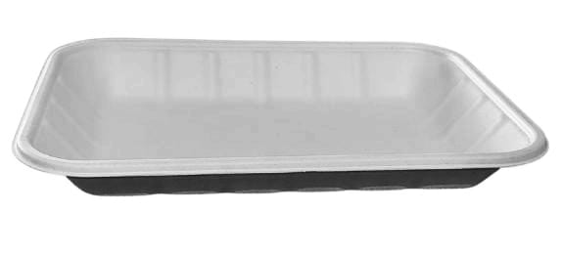
39 | PET LID FOR 500 ML AND 750 ML ROUND CONTAINER |  | 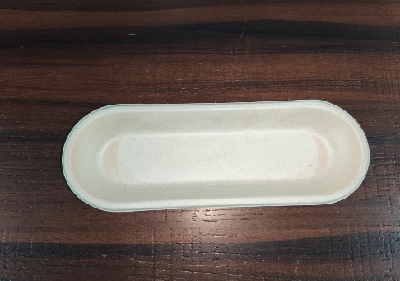
 | BURRITO BOWL CLASSI BIO |  | 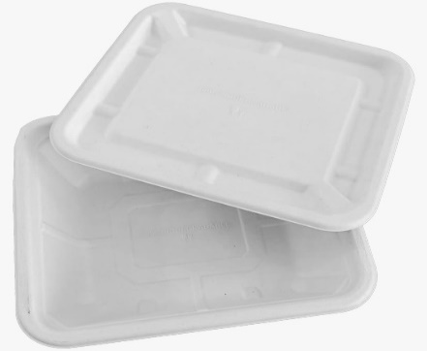
 | BURRITO BOWL CLASSI BIO LID ONLY |  | 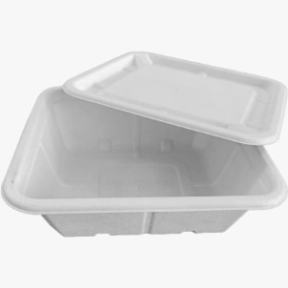
40 | 6 X 6 CLAMSHELL CLASSI BIO |  | 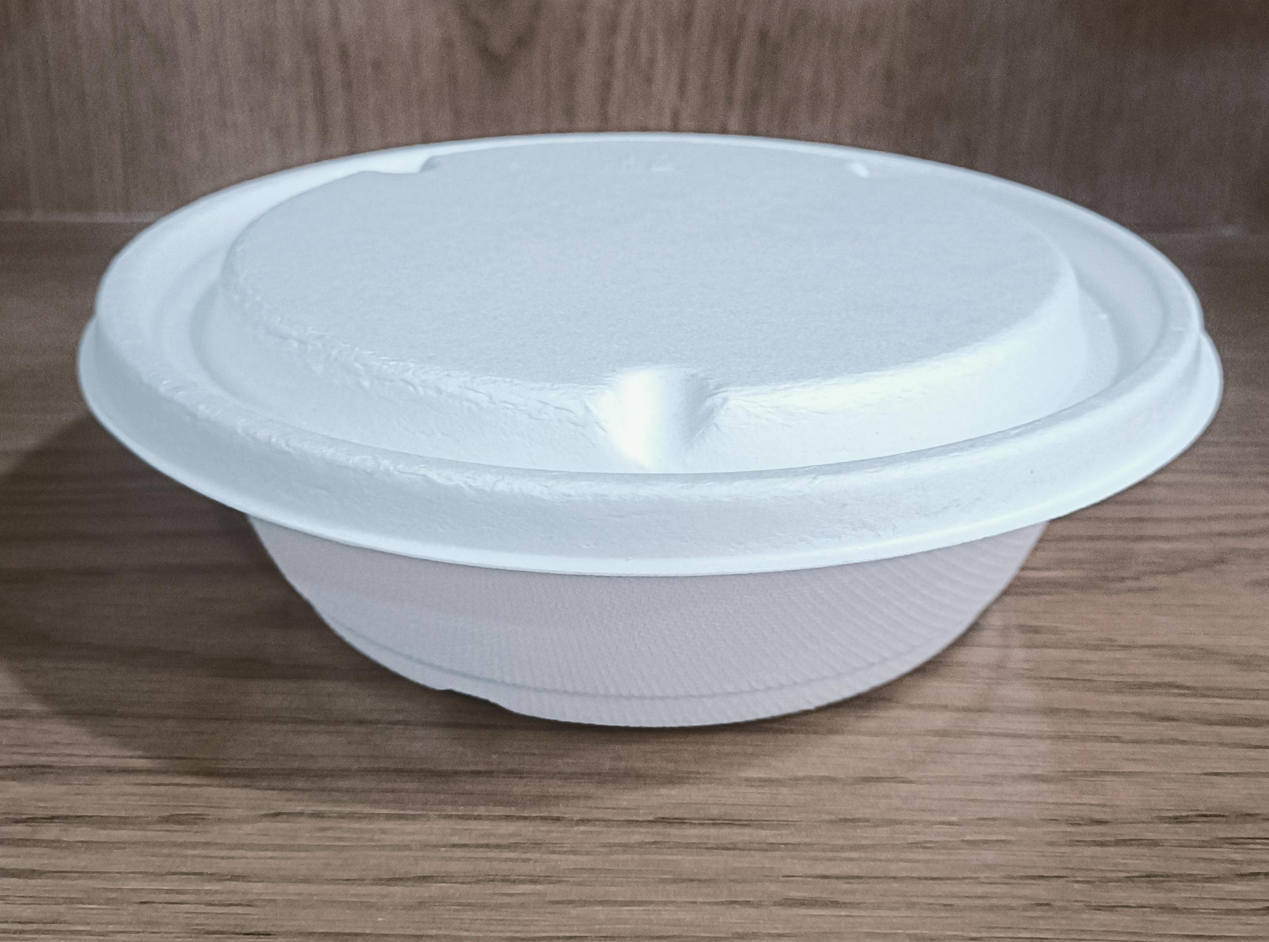
41 | 9 X 6 CLAMSHELL CLASSI BIO |  | 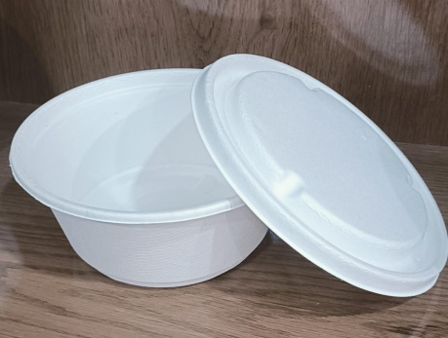
42 | 9 X 9 CLAMSHELL CLASSI BIO |  | 
43 | 9 X 9 3CP CLAMSHELL | STANDARD
43 | 8 X 8 CLAMSHELL CLASSI BIO
44 | 8 X 8 3CP CLAMSHELL CLASSI BIO | 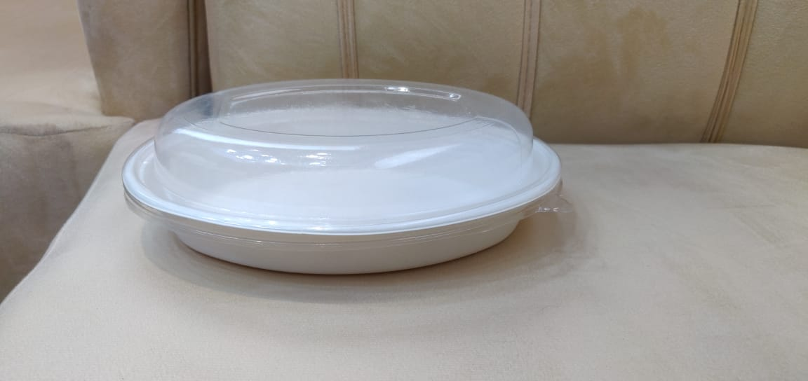
45 | 80 MM CUP LID CLASSI BIO (2000) |  | 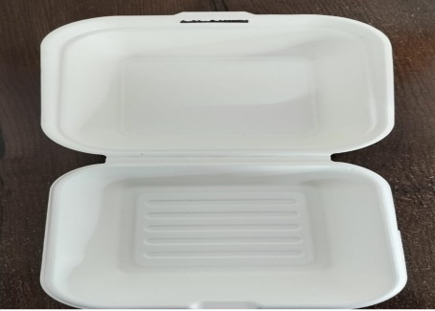
46 | 90 MM CUP LID CLASSI BIO (2000) |  | 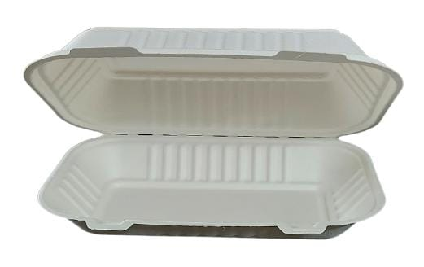
47 | 80 MM CUP FLAT LID CLASSI BIO (2000) | 90 MM CUP LID CLASSI BIO (2000) | 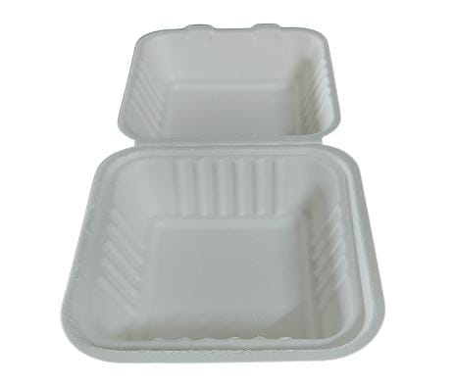
48 | 95 MM CUP FLAT LID CLASSI BIO (2000) |  | 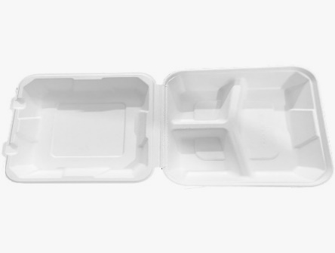
49 | 2CP TRAY CLASSI BIO (1000)
50 | 3CP MEAL TRAY CLASSI B2B (500) |  | 
51 | 3CP MEAL TRAY LID CLASSI B2B (500) |  | 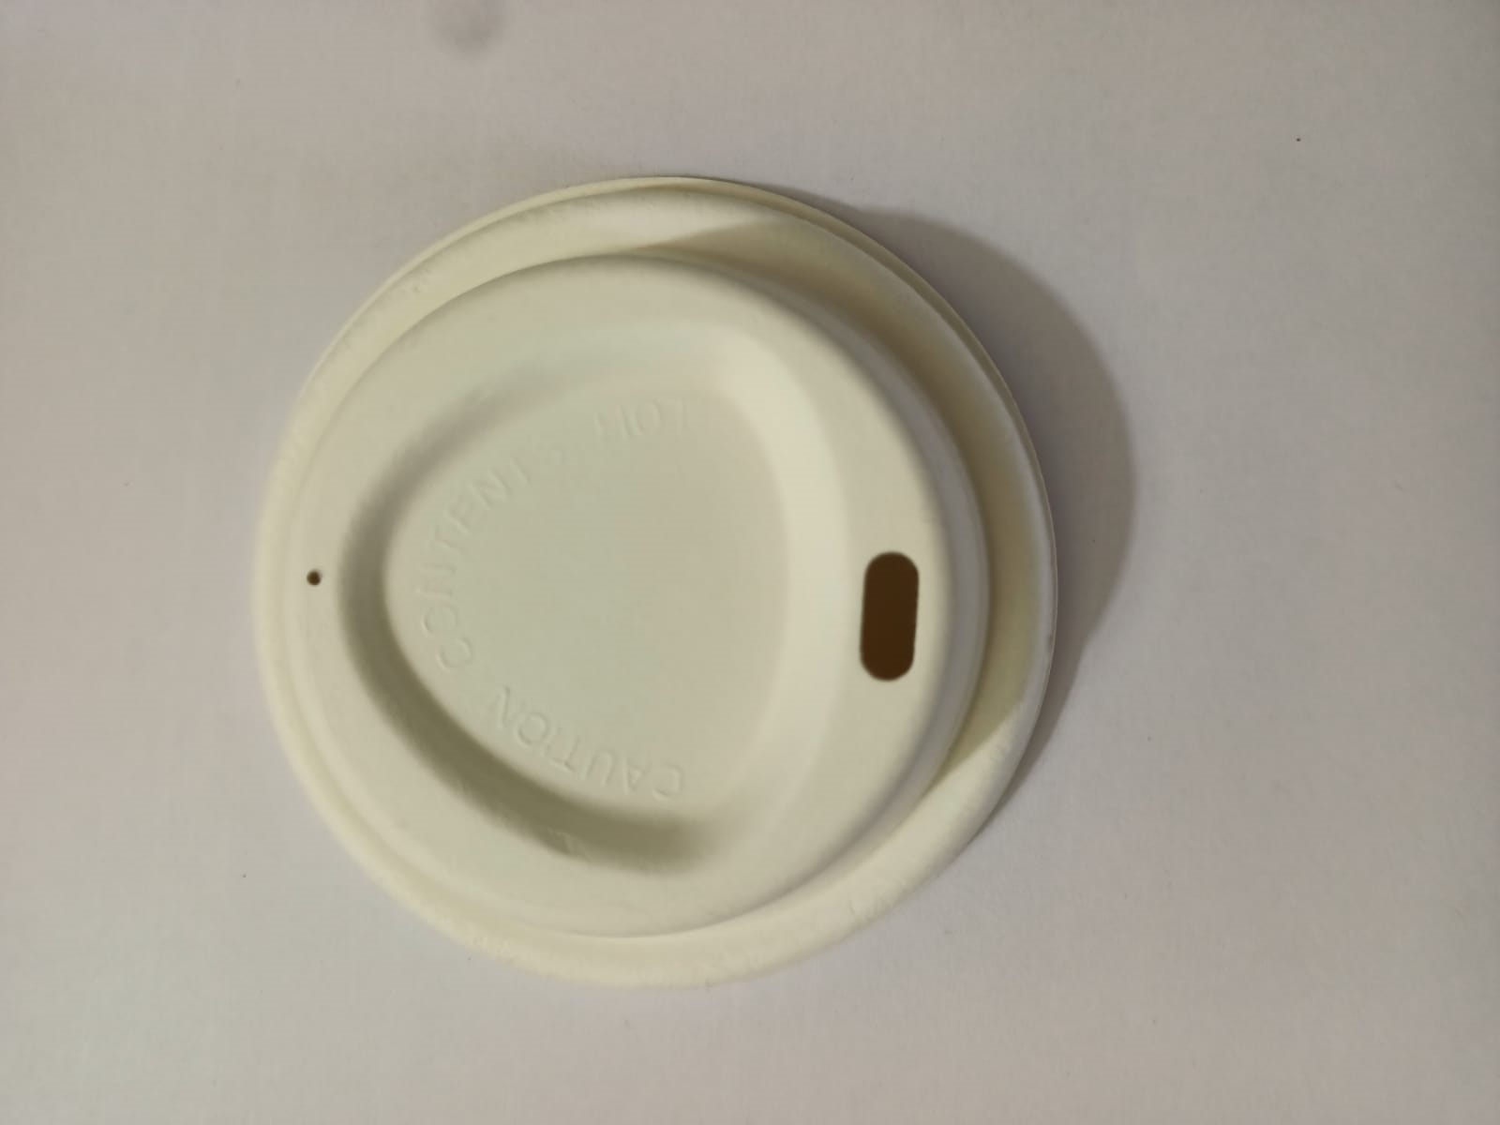
52 | 4CP MEAL TRAY CLASSI BIO (500)
53 | 4CP MEAL TRAY CLASSI B2B (500) |  | 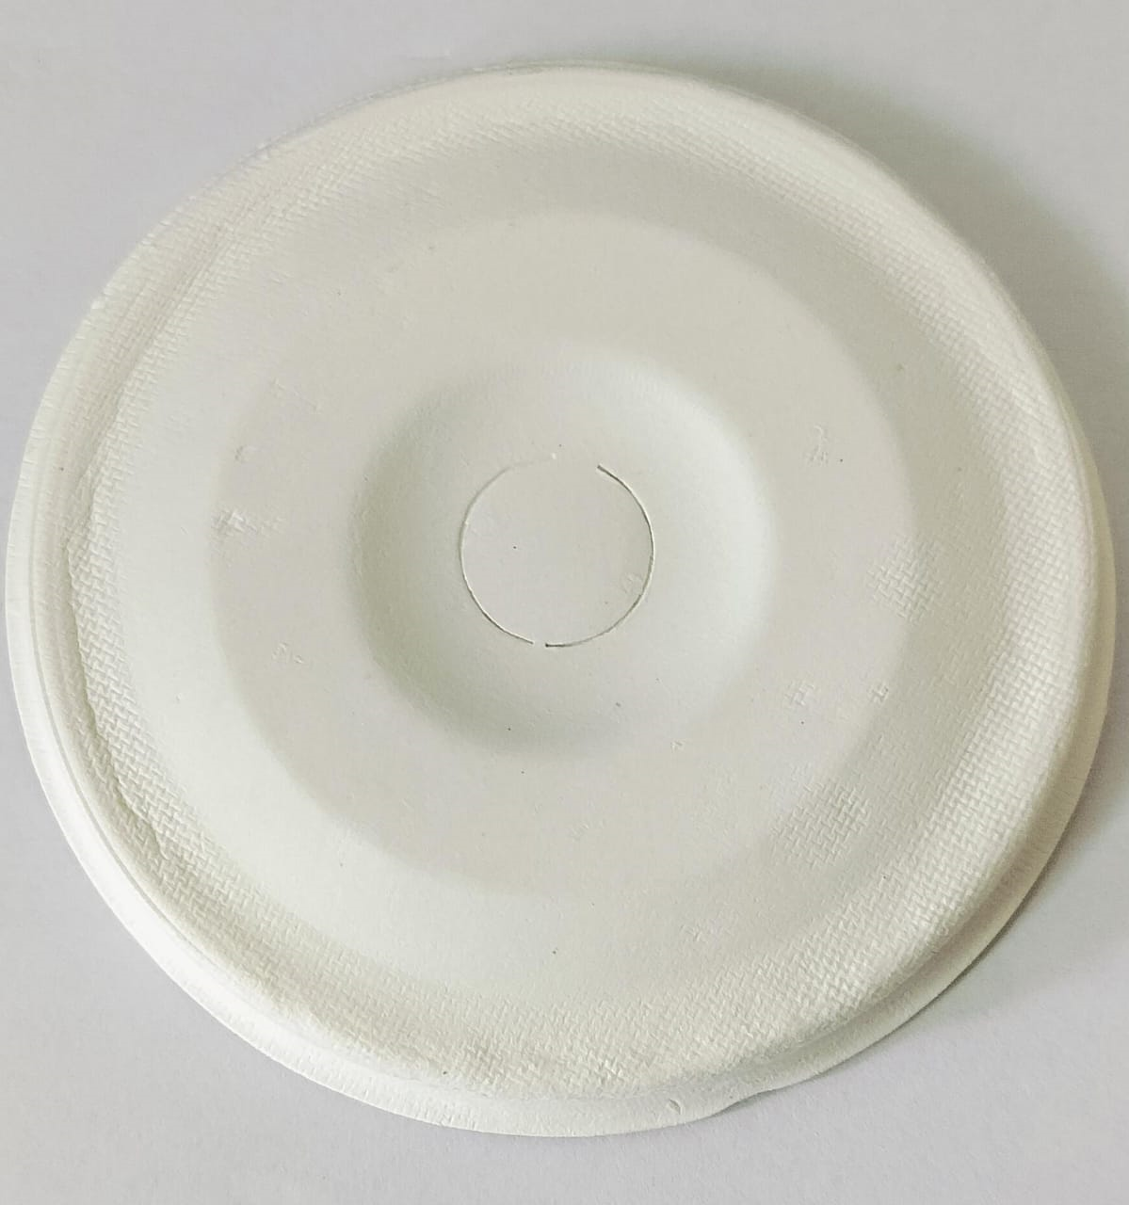
54 | 4CP MEAL TRAY LID CLASSI B2B (500) |  | 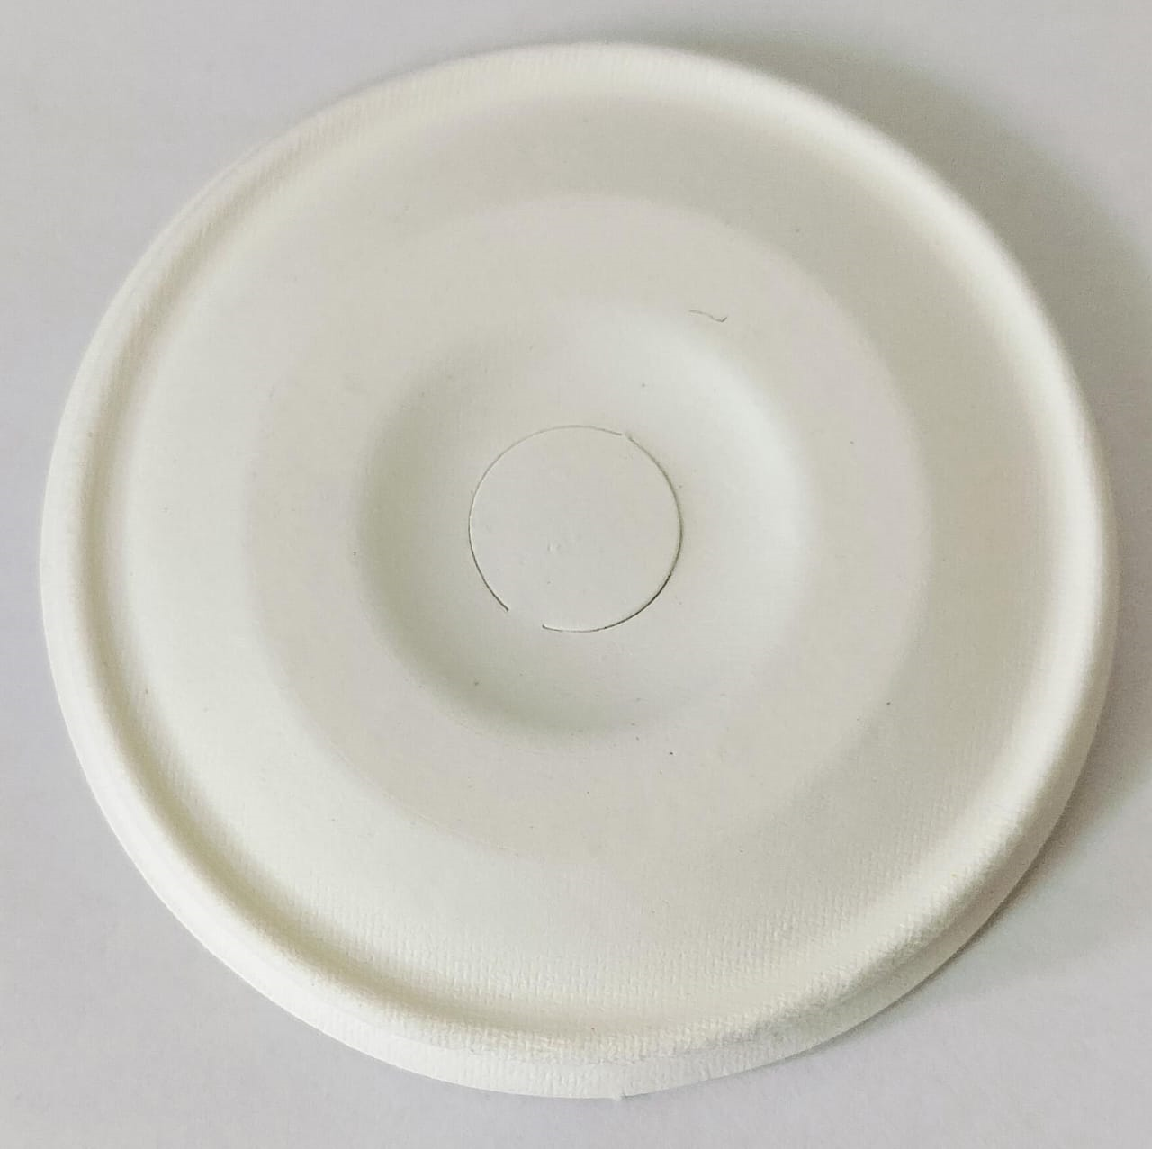
55 | 5CP TRAY CLASSI BIO (500) |  | 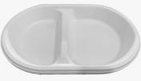
56 | 5CP LID CLASSI BIO (500) |  | 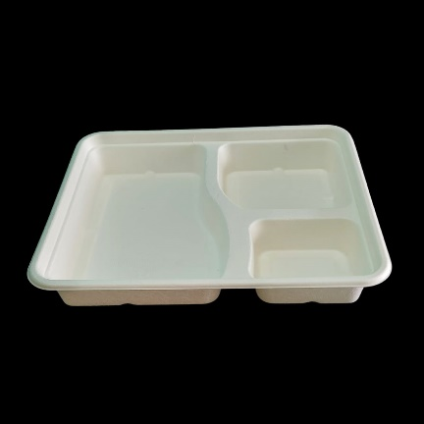
57 | 5CP SCHOOLS MEALS TRAY |  | 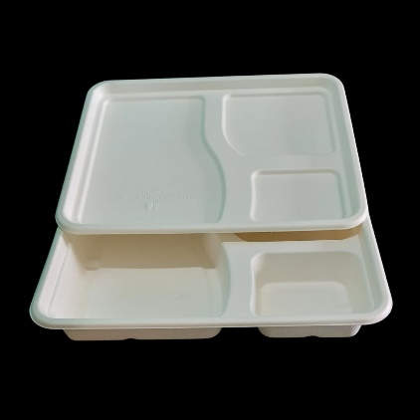
58 | 5CP MEAL TRAY CLASSI B2B (500) |  | 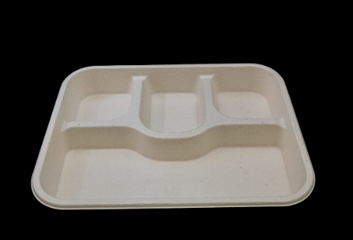
59 | 5CP MEAL TRAY LID CLASSI B2B (500) |  | 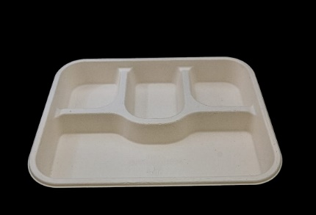
60 | 6CP TRAY CLASSI BIO (250) |  | 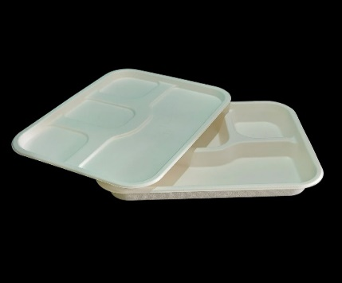
67 | 7CP TRAY CLASSI BIO |  | 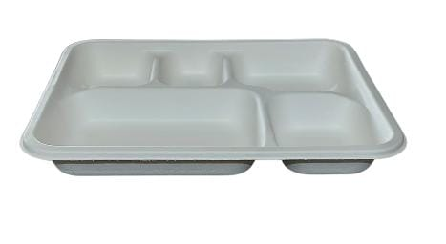
61 | 8CP MEAL TRAY CLASSI B2B (500) |  | 
62 | 8CP MEAL TRAY LID CLASSI B2B (500) |  | 
 | PAPER CUTLERY - GST 18% EXTRA |  | 
63 | Classi Bio Paper Tablespoon |  | 
64 | Classi Bio Paper Fork |  | 
65 | Classi Bio Paper Knife |  | 
66 | Classi Bio Paper Dessert Spoon |  | 
 |  |  | 

 |  |  | 
 |  |  | 
 |  |  | 
 |  |  | 

